Risk Matrix
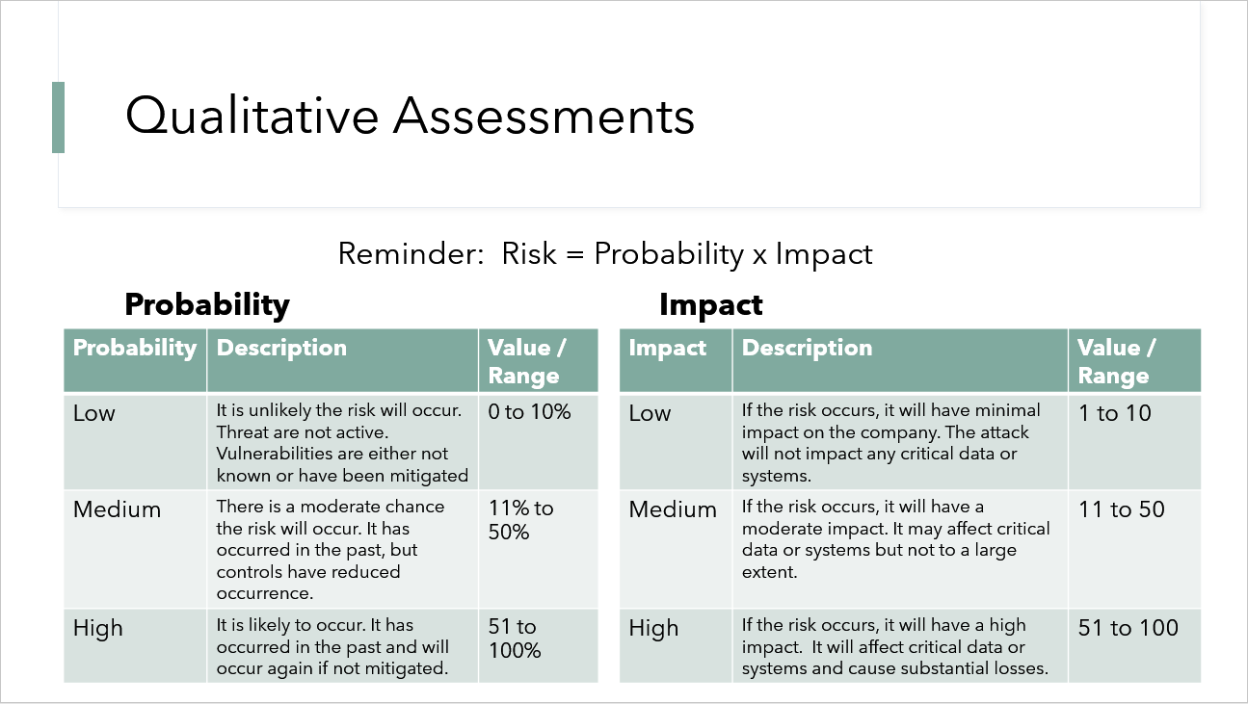
Likelihood | High | Medium | Low
Likely | High | Medium | Medium
Possible | Medium | Medium | Low
Unlikely | Medium | Low | Low

 | Impact Scale | Column1
 | >90 | Extreme
 | 50.01-90 | Major
 | 10.01-50 | Moderate
 | 5.01-10 | Minor
 | 1-5 | Incidental

